Sheet1
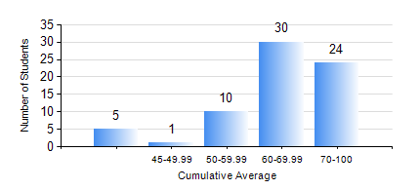
 |  |  | KWAME NKRUMAH UNIVERSITY OF SCIENCE AND TECHNOLOGY, KUMASI Department of Petroleum Engineering

 |  |  | BSC. PETROLEUM ENG.

 |  |  | COMPREHENSIVE RECORD OF EXAMINATION RESULTS

 |  |  | RESULTS OF YEAR 4 SECOND SEMESTER, 2020/2021 ACADEMIC YEAR

 | Sn | Course Code |  | Course Name | Credit Hours | Min. Mark | Max. Mark | Avg. Mark | Std. Dev. | No. Passed | No. Trailed | No. (Df) | No. (I) | No. (I*) | No. Tagged(I,I*,Df) | Total
 | 1. | PCE 464 |  | REFINING PROCESSES TECHNOLOGY | 2 | 60 | 90 | 75 | 8.49 | 22 | 0 | 0 | 0 | 0 | 0 | 22
 | 2. | PETE 450 |  | NATURAL GAS ENGINEERING | 3 | 40 | 93 | 76 | 11.33 | 70 | 0 | 0 | 0 | 0 | 0 | 70
 | 3. | PETE 452 |  | PETROLEUM PROJECT EVALUATION | 3 | 51 | 93 | 73 | 8.07 | 70 | 0 | 0 | 0 | 0 | 0 | 70
 | 4. | PETE 454 |  | DESIGN PROJECT II | 4 | 53 | 85 | 70 | 8.03 | 70 | 0 | 0 | 0 | 0 | 0 | 70
 | 5. | PETE 456 |  | WELL COMPLETION AND STIMULATION | 3 | 29 | 79 | 57 | 11.72 | 65 | 5 | 0 | 0 | 0 | 0 | 70
 | 6. | PETE 458 |  | OILFIELD GEOCHEMISTRY | 2 | 28 | 92 | 68 | 14.97 | 67 | 3 | 0 | 0 | 0 | 0 | 70
 | 7. | PETE 462 |  | PETROLEUM BUSINESS STRUCTURES AND LOGISTICS | 2 | 46 | 92 | 72 | 10.55 | 48 | 0 | 0 | 0 | 0 | 0 | 48
 | 8. | PETE 466 |  | FUNDAMENTALS OF PETROLEUM LAW | 2 | 47 | 94 | 70 | 13.91 | 70 | 0 | 0 | 0 | 0 | 0 | 70

